Note
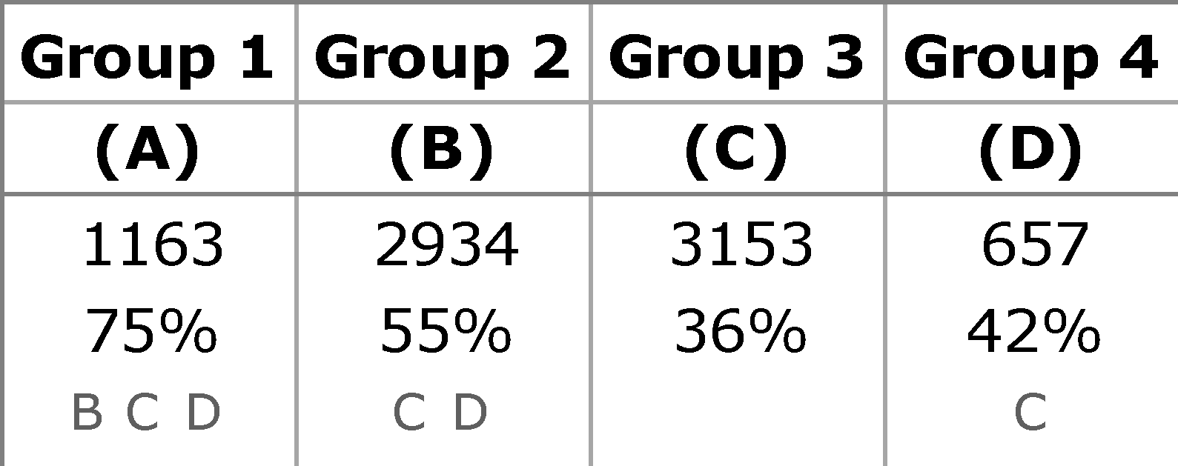 Significance testing Survey results are subject to sampling tolerances meaning that not all differences can be considered statistically significant. Statistical significance testing needs to be performed to assess whether differences in survey results between countries and socio-demographic categories (or waves, in case of a trend survey) are due to chance or whether they represent meaningful differences. In the Volume tables, pairwise tests of the equality of column proportions (via z-test) and column means (via t-tests) are produced. Pairwise comparison means comparing all pairs of something (i.e. countries, socio-demographic categories etc.). A significance level of 0.05 is used for these tests. The outcomes of the pairwise tests are presented via a system of alphabetic keys. Each column category in the Volume tables is identified with an alphabetic key. For each pairwise comparison with a statistically significant difference between the column proportions (or means), the key of the category with the smaller column proportion (or mean) appears in the category with the larger column proportion. Example The example table below presents the proportion "agreeing" for four groups, and we focus on Group 2 (B). There are three pairwise comparison to be made – Group 2 vs. Group 1 (B vs. A), Group 2 vs. Group 3 (B vs. C) and Group 2 vs Group 4 (B vs. D). In the column for Group 2, the following keys are shown: C (Group 3) and D (Group 4) – these are the keys for the groups with a significantly lower proportion “agreeing” than the proportion observed for Group 2; remember that the key of the group with the smaller column proportion appears in the category with the larger column proportion. The key for Group 2 (B), in turn, appears in the column for Group 1 – this means that the proportion agreeing in Group 2 is significantly lower than the proportion "agreeing" in Group 1.

Flash Eurobarometer

